Vehicle State
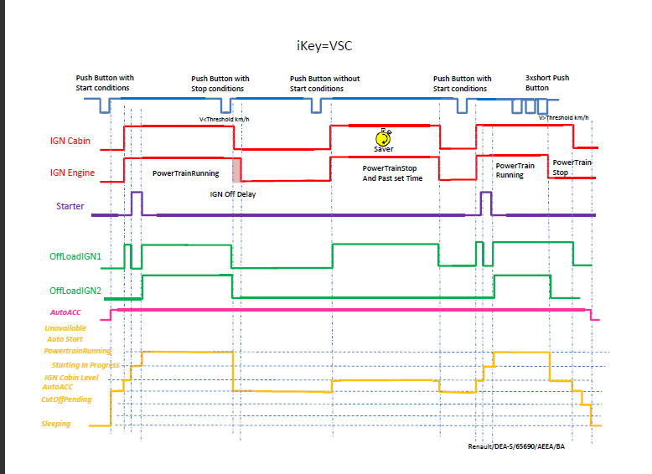
 | Auto_ACC <1mn | Auto_ACC | IGN Cabin | StarterStatus | PowerTrainStatus | StopAutoPhase | EngineStopRequest Origin | Use case*
Sleeping | OFF | OFF | OFF |  |  |  |  | 1 | - 1: vehicle sleeping
AutoACCLevel | OFF | ON | OFF |  |  |  |  | 2 | - 2: wake up of vehicle or shut down of ignition with more than 1min of AutoACC
CutOffPending | ON | ON | OFF |  |  |  |  | 3 | - 3: last minute of AutoACC level
IgnitionLevel |  | ON | ON | cranking relay switched OFF or long relaxation | Stopped |  | Different of normal system request | 4 | - 4: IGN ON or nominal engine stopped. Or exit of mission with engine stop by emergency or stalled engine or heavy crash
 |  |  |  |  |  | ≠AutoStart and ≠ReflexStart and ≠IdleStop and ≠InjectionStopped | normal system request | 5 | - 5: exit of mission by S&S
 |  |  |  |  | frame absent | frame absent | frame absent | 6 | - 6: IGN ON with ECM sleeping (ECM is waked by IGN)
StartingInProgress |  | ON | ON | cranking relay switched ON | Starting | ≠AutoStart and ≠ReflexStart and ≠IdleStop and ≠InjectionStopped |  | 7 | - 7: nominal starting
 |  |  |  |  | Stopped |  |  | 8 | - 8: beginning of engine cranking with engine RPM not enough for have PowerTrainStatus = starting
 |  |  |  | cranking relay switched OFF or long relaxation | Starting | NotInAutoPhase or AutoPhaseAborded or Unavailable |  | 9 | - 9: engine start by customer pushing the car
PowerTrainRunning |  | ON | ON |  | Running |  |  | 10 | - 10: powertrain is independent running engine
EngineSystemStop |  | ON | ON | cranking relay switched OFF or long relaxation | Stopped | IdleStop or InjectionStopped |  | 11 | - 11: nominal stop auto by S&S
 |  |  |  |  |  | AutoStart or ReflexStart |  | 12 | - 12: beginning of start auto by S&S with StarterStatus not update on CAN and engine RPM not enough for have PowerTrainStatus = starting
AutoStart |  | ON | ON | cranking relay switched ON | Stopped | AutoStart or ReflexStart |  | 13 | - 13: beginning of start auto by S&S with StarterStatus cranking and engine RPM not enough for have PowerTrainStatus = starting
 |  |  |  |  | Starting |  |  | 14 | - 14: nominal start auto by S&S
 |  |  |  |  | Starting | IdleStop or InjectionStopped |  | 16
 |  |  |  | cranking relay switched OFF or long relaxation | Starting | IdleStop or AutoStart |  | 17
UnavailableValue |  |  |  |  |  |  |  | 15 | - 15: when combination is not present on the table

Vehicle State Management | CAN VehicleStateC1A
Sleeping | "0000"
CutoffPending | "0010"
AutoACC | "0011"
Ignition Cabin Level | "0101"
StartingInProgress | "0110"
PowerTrainRunning | "0111"
AutoStart | "1000"
EngineSystemStop | "1001"
Unavailable | "1111"
Inputs - Name | details | Type | from
Starter (Key) |  | Phys | key
StopAutoPhase (xxx) | NotInAutoPhase (000) AutoStart (001) IdleStop (010) Not Used (011) InjectionStopped (100) StartByInjectionOnly (101) ReflexStart (110) Unavailable (111) | CAN | ECM
EngineStopRequestOrigin (xxx) | No engine stop request (initial stop or independant engine running) (000) Engine stopped by other causes (001) Engine stopped by normal system request (010) Engine stopped by normal driver request (011) Engine stopped by emergency request (100) | CAN | ECM
PowerTrainStatus | Stopped (00) Reserved (01) Running (10) Starting (11) | CAN | ECM
StarterStatus | cranking relay switched off (00) or long relaxation active (10) => starter OFF cranking relay switched on (11) => Starter On | CAN | USM
StarterRequest (iKey) |  | internal BCM

Outputs | details | Type
IGN Cabin |  | Phys
AutoACC |  | Phys

CAN Sleep Management
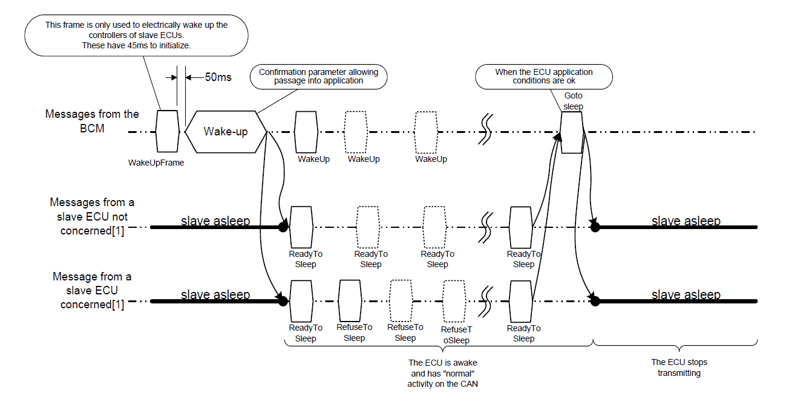
For Your reference Extract of NCANSW14 CAN and CAN-FD SLEEP MANAGEMENT specification You need to refer to the cooresponding specication inside the current RFQ package used.

Technical wakeup timing
BCM
GotoSleep
Master
Slave
BCM
GotoSleep
ReadytoSleep

Active@CAN
Active@CAN

Sleep@CAN
Sleep@CAN
Slave ECU
CAN activity
Sleep@CAN
Sleep@CAN
BCM CAN activity

Active period of
awaken ECUs
Slave ECU
Active period
M4 timer

S4 Timer
0 < TransitionTime < 500ms
High Power
0 < TransitionTime < 500ms
High Power

BCM
power consumption
Slave ECU
power consumption
Low Power
Low Power
Low Power
Low Power

Refer to NCANSW14 CAN and CAN-FD SLEEP MANAGEMENT specification of current RFQ package for M4 and S4 timers specification as described in CAN Sleep Management worksheet

